Sheet1
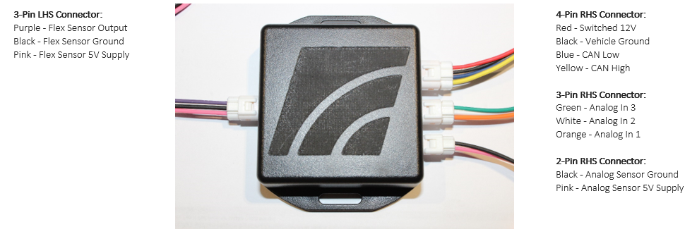
CAN ID | 0xE1
Can Speed | 500kb
ID Format | STD-11bit
Update Rate | 50ms / 20hz |  |  | All incoming values are unsigned

Byte | Bits | endian | Name | Incoming Hex | Incoming Decimal | Multiplier | Offset | Unit | Converted Range | Notes
0 | 8 | n/a | Flex % | 0-FF | 0-255 | 1 | 0 | % | 0-255 % | Decimal = Flex % exactly 0-100%
1-2 | 16 | Little (lo byte First) | AV 01 | 0 - 03FF | 0-1023 | 4.8876 | 0 | mv | 0-5000mv
3-4 | 16 | Little (lo byte First) | AV 02 | 0 - 03FF | 0-1023 | 4.8876 | 0 | mv | 0-5000mv
5-6 | 16 | Little (lo byte First) | AV 03 | 0 - 03FF | 0-1023 | 4.8876 | 0 | mv | 0-5000mv
7 | 8 | n/a | FlexError | 0-1 | 0-1 | 1 | 0 |  | 0-1 | 0 - Sensor Ok _ 1 - Sensor fail

Common EcuTek sensor Configurations |  |  |  | GTR kpa Scaling
0-5v Sensor | Multi | Offset | Logged unit | Multi | Offset | Logged unit
AEM 100psi | 0.12218963832 | -12.5 | psi (gauge) | 0.843 | -86.21 | kpa(g)
AEM 150psi | 0.18328445748 | -18.75 | psi (gauge) | 1.264 | -129.31 | kpa(g)
AEM 1 bar | 0.018328445748 | -16.575 | psi (gauge) | 0.126 | -114.31 | kpa(g)
AEM 2 bar | 0.036656891496 | -18.75 | psi (gauge) | 0.253 | -129.31 | kpa(g)
AEM 3.5 bar | 0.061094819159 | -20.95 | psi (gauge) | 0.421 | -144.48 | kpa(g)
AEM 5 bar | 0.091642228739 | -24.075 | psi (gauge) | 0.632 | -166.03 | kpa(g)
Omni 4bar | 0.058797653959 | 0 | psi absolute | 0.406 | 0.00 | kpa
Stock Nissan | 0.043443304008 | -3.4075 | psi absolute | 0.300 | -23.50 | kpa

Flex Sensor Scale VR30 | 0.1 | 0 | Ethanol %
Flex Sensor Scale GTR | 1 | 0 | Ethanol %
Flex Sensor Scale Tacoma | 1 | 0 | Ethanol %

