Calibration Guide
AMS VR30DDTT Stage 3 Injectors

 | This tuning guide was made using EcuTek software. Other software may not use the same naming conventions for their tables. If any of these required maps are not available in your ROM, they may need to be requested from ECUtek.
 | Please ensure these tables are present before beginning the tuning process. Note that tables can be copy/pasted from the "EcuTek Calibration Tables" tab at the bottom of this excel file directly to your calibration software.

 | BASE SETTINGS
 | 1. Injector Sizing
 | a. Calibration of the AMS Stage 3 injectors requires modification of the calibration data in the injector data table “Injector Magnification”.
 | b. This calibration table works very similarly to a standard injector scale table for a port injected vehicle. Coarse global fueling adjustments can be made here in respect to injector flow rate changes.
 | c. This Calibration Table is in the Folder as shown in the screen capture below. (SC#1)
 | d. Please note, the AMS stage 3 injectors flow more fuel than the stock injectors and a coarse “Injector Magnification” adjustment could be made to accommodate this, however we recommend the starting point for this calibration table be directly transposed from the data that is provided with your injector purchase.
 | i. Injector calibration from one matched set of 6 injectors may differ slightly than another matched set of 6. Please keep this in mind when calibrating.

 | SC#1

 | 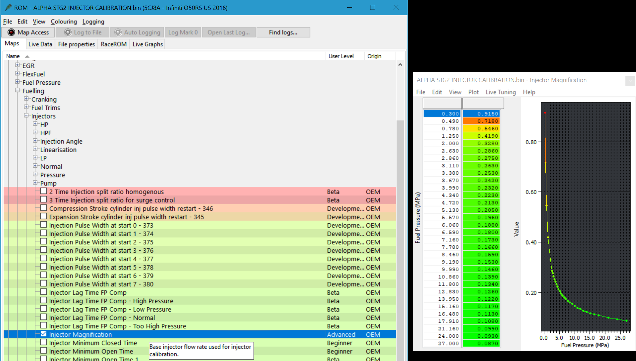 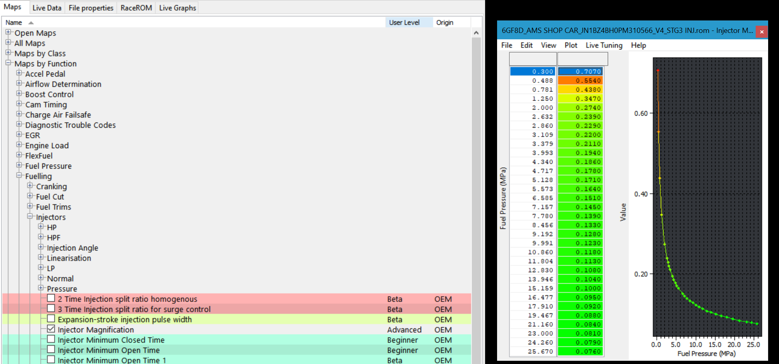
 | 2. Injector Drive Current
 | a. Calibration of the AMS stage 3 injectors require modification of the calibration data in the injector data tables responsible for injector drive current.
 | b. The AMS stage 3 Injectors for the VR30DDTT engine require a higher drive current than stock to open fully and quickly. The recommended drive currents are listed below:

 |  |  | High Pressure Fail | High Pressure | Normal | Low Pressure
 |  | Peak Current | 16 | 15 | 14 | 14
 |  | Hold 1 | 7 | 6.6 | 5.4 | 5.4
 |  | Hold 2 | 3.6 | 3.6 | 3 | 3

 | c. The AMS stage 3 Injectors for the VR30DDTT engine also require the pressure threshold for when to use the highest current tables. This can be adjusted via the calibration paramter (Fuel Pressure - Peak Injector current)
 | i. The recommended value for this pressure threshold is 27MPa.
 | d. These Calibration Tables are in the following folders as shown in the screen capture below. (SC#2)

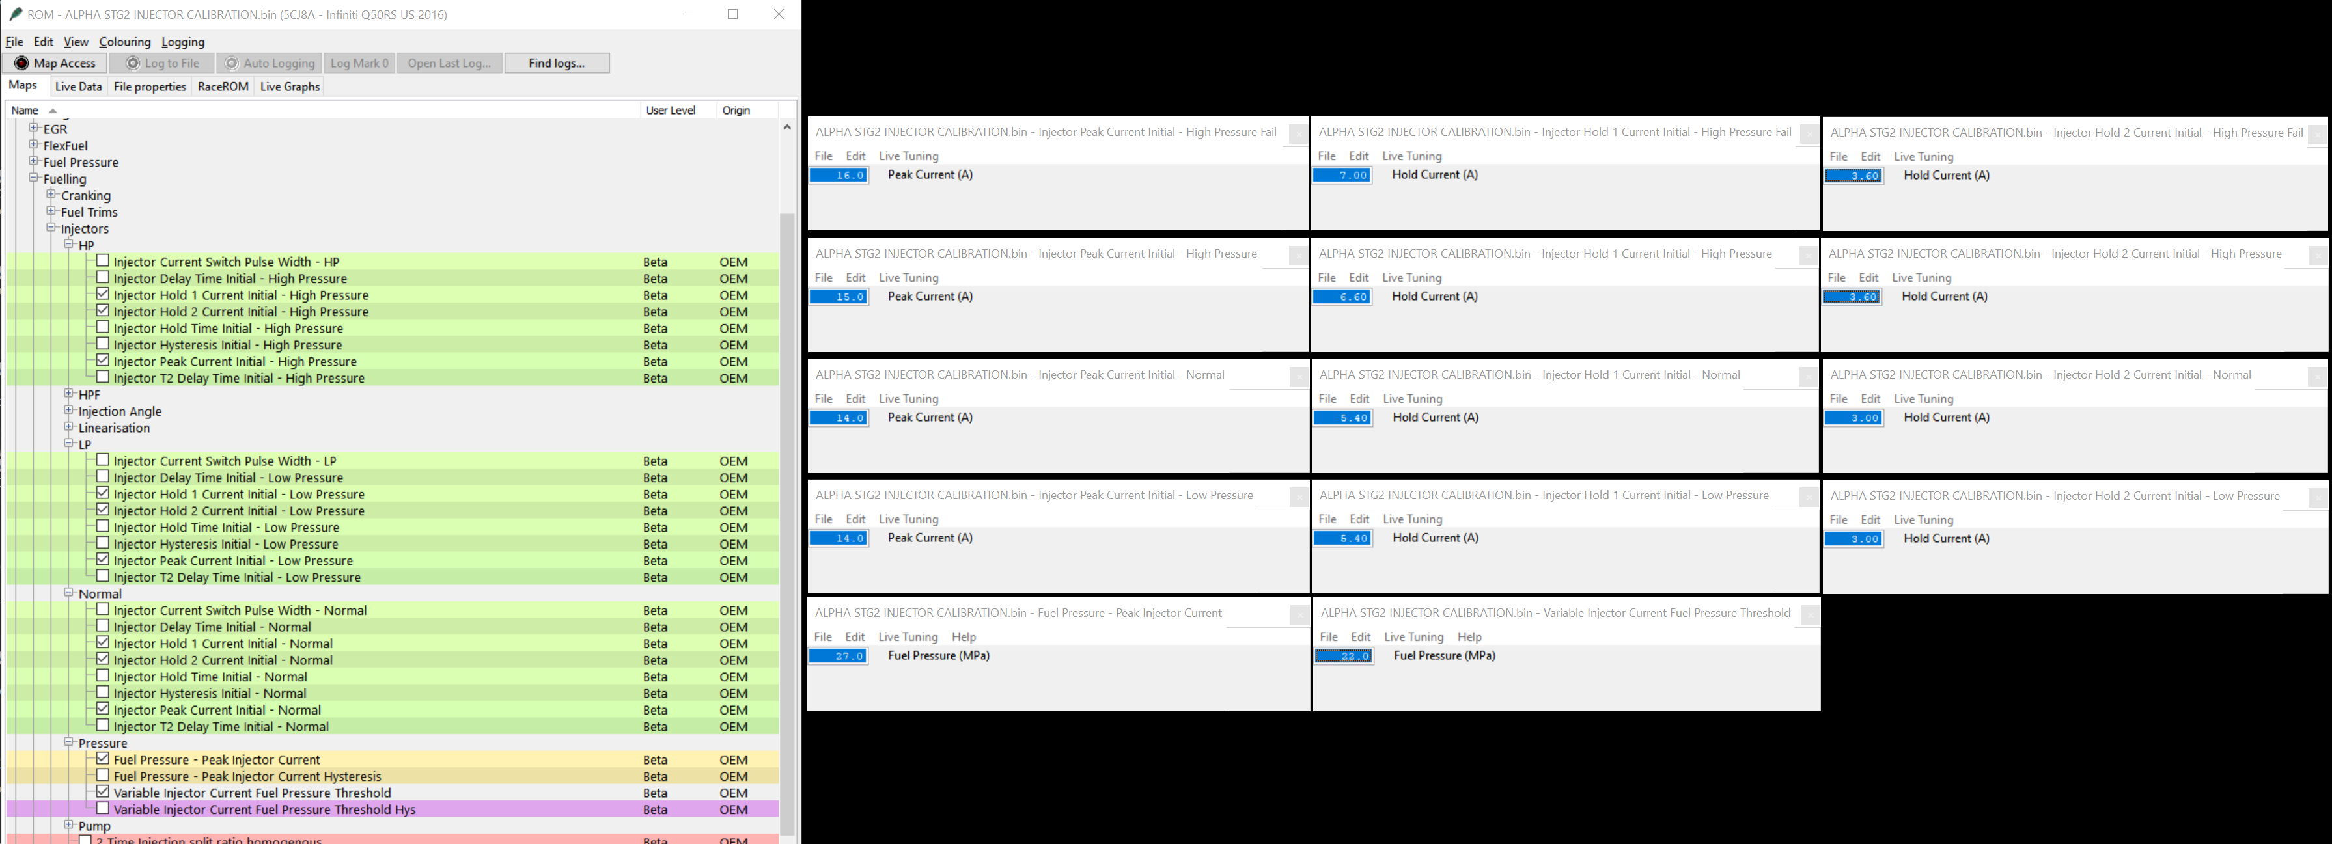
 | SC#2

 | 3. Narrow Injector Pulse Width
 | a. Calibration of the AMS stage 3 injectors require modification of the Injector calibration data responsible for narrow fuel injection pulse width compensation.
 | b. The “Narrow IDW” tables correct for the non-linear injector flow characteristics at low injector pulse widths.These tables are factory calibrated specifically to the OEM injectors and for this reason they should be zeroed out when changing injectors.
 | c. These Calibration Tables are in the folder as shown in the screen capture below. (SC#4)
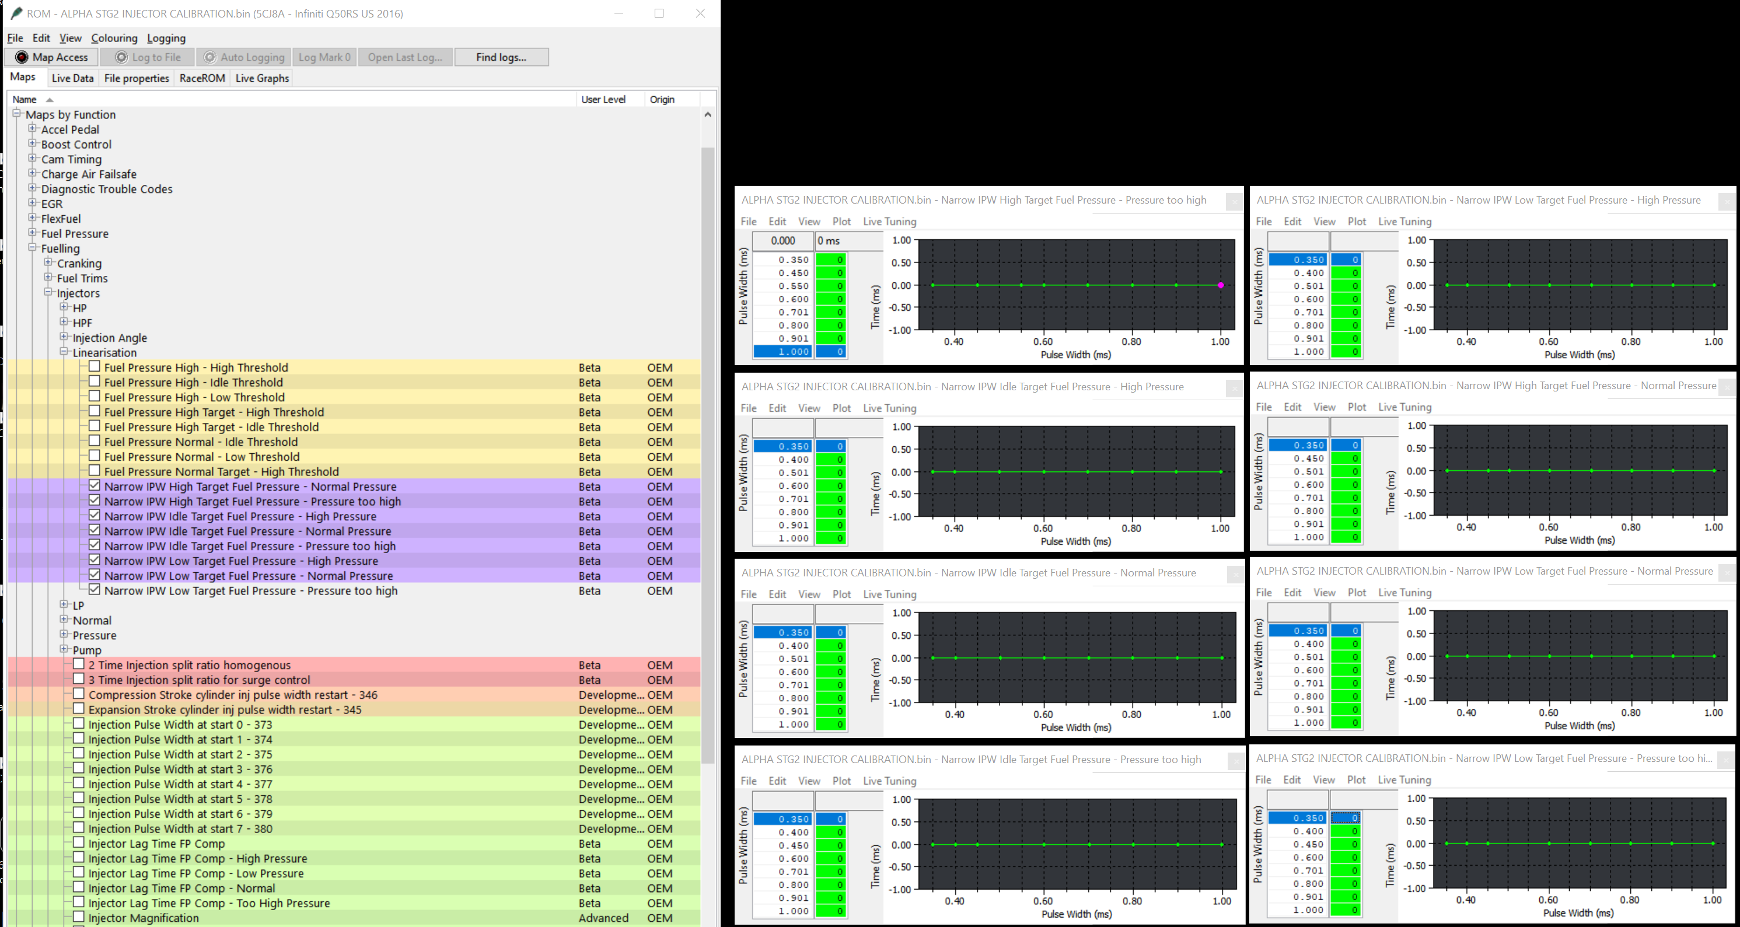
 | SC#4

 | 4. Injector Lag Time Compensation
 | a. Calibration of the AMS stage 3 injectors require modification of the Injector calibration data responsible for lag time compensation.

 | 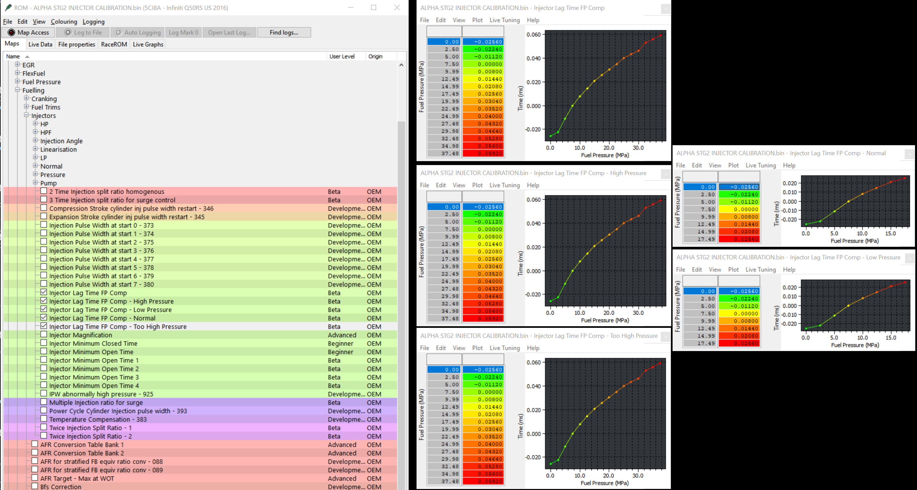

 | FINE TUNING
 | 1. Fueling Compensations
 | a. Injector Magnification
 | i. It is recommended to validate the injector magnification table before making any adjustments to the Injector Comp tables provided by EcuTek. While each set of AMS stage 3 Injectors includes unique injector magnification calibration data that was measured in a laboratory, it’s still wise to be sure this table is globally scaled correctly.
 | ii. When fine tuning the Injector Magnification table, we recommend analyzing fuel trims at high pulse widths and relatively steady engine speed and load. A dyno pull in a high gear would create good data for this test. This calibration curve should always maintain its current shape. If adjustment of this table is required, we recommend using a global scaling the map up and down at all fuel pressures.
 | b. Injector Lag Time
 | i. The lag time tables account for the opening and closing delay of the injectors by applying a constant offset to calculated pulse width. This offset is constant for all injector pulse widths at the same fuel pressure. This means that it’s percent contribution at low pulse width injections is higher compared to high pulse widths. Therefore, this testing focuses on the low pulse width region.
 | ii. For this test, split injection must be disabled (see end of document), and we recommend recording fuel injection Duration B1 & B2 because they provide the most resolution. When collecting data, we recommend steady state driving at low engine load such as on the highway. Slowly change commanded pulse width by speeding up and slowing down with fueling still active (no deceleration fuel cut off). Analyze this data with respect to fuel pressure and pulse width and adjust lag time until fuel trims at low pulse width (< 1ms) approximately match those at higher pulse widths (> 1.0 ms).

 | c. Injector Comp 1,2,3,4
 | i. Further fine-tuning fueling adjustments of the fueling can be accomplished using the tables labeled “Injector Comp Mode 1,2,3,4).
 | ii. It is worth noting that if you have previously applied fueling compensations utilizing these calibration tables due to the vehicle’s current modifications (For example the car was previously fully tuned and the only addition was these injectors), the original injector comp table may be a good place to start for fine tuning your new set of injectors.
 | iii. If you are unsure of your current “Injector Comp” calibration, please “zero” the table out where all cells are equal to 100 as this will apply no fueling corrections and work well as a starting point.

 | SC#5

 | 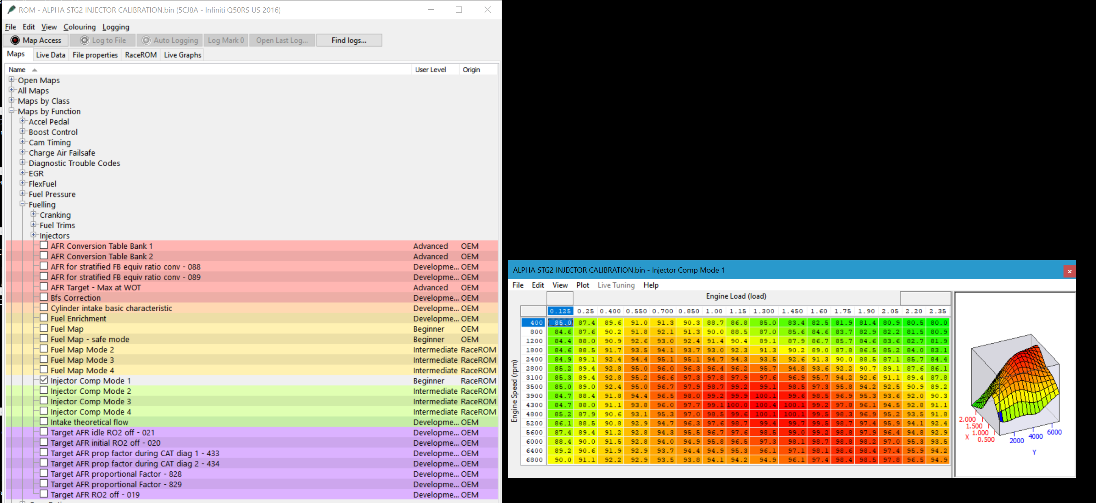

 | Optional Calibration Adjustments

 | 1. Stratified Startup (optional)
 | a. During the calibration process, there is the chance that the car will experience poor cold and warm startup conditions making it difficult to dial in cranking and startup fueling.
 | b. If this happens, you can toggle “Enabled Stratified Startup) to be disabled. (Not checked)

 | 2. Turn Off Split Injection (optional)
 | a. If you are experiencing some stumbling or misfires at lower rpm and higher load or when transitioning from lower to higher load, you may be experiencing missed injections due to very low pulse widths introduced by the ECU splitting the main injection pulse into either two or three injections during a single combustion cycle.
 | i. If you log the “Injection Pulse Width 1,2 and 3”, you will see when the ECU is changing modes, and you will also see some very small pulse widths.
 | b. As known with larger injectors on other platforms, its generally understood that larger injectors are not as precise when injection pulse widths are very small. This is also true with the AMS injectors for the VR30, and therefor the split injection modes may need to be turned off during the calibration process if you are experiencing issues.

 | SC#7
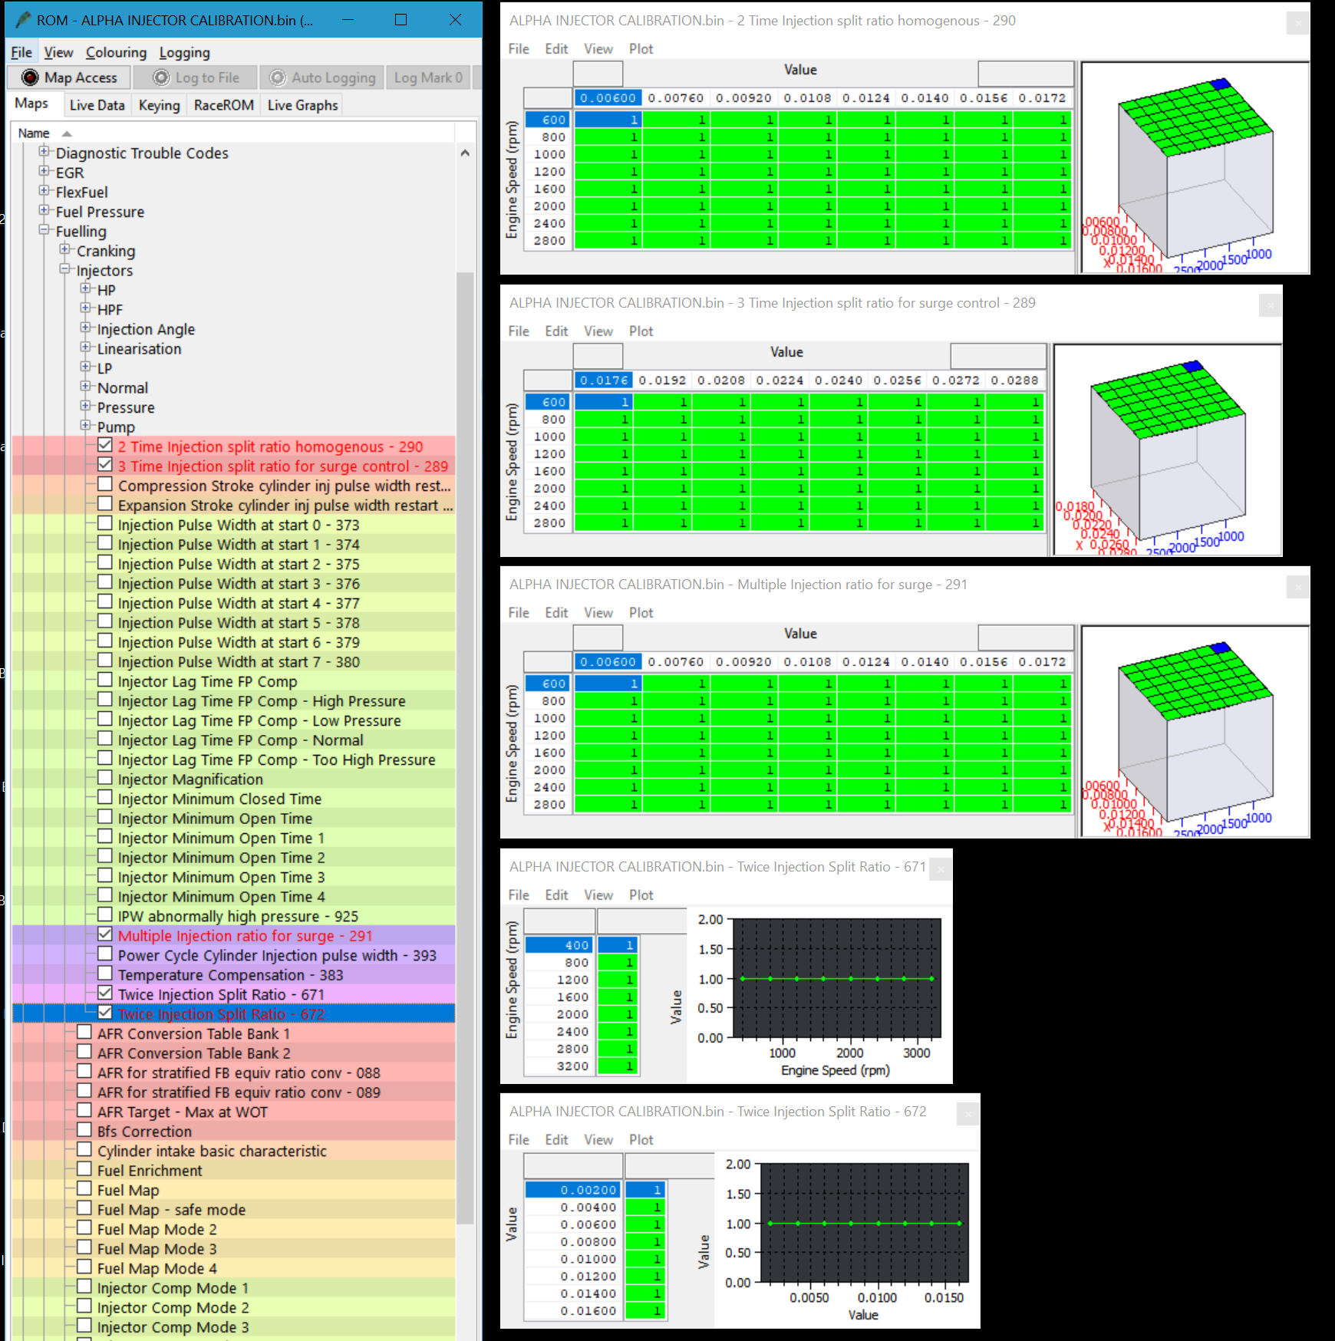

Tuning Support Request
If you are not comfortable with adjusting the tables or do not have access to some of the tables outlined in this document, please let us know by emailing sales@amsperformance.com. Please provide your current calibration ID and the injector magnification calibration that was provided with the injectors. We are happy to help assist with any injector calibration questions, or to discuss purchasing a base file or complete ECU calibraiton.

EcuTek Calibration Tables

Maps By Function \ Fueling \ Injectors \ HP

Injector Hold 1 Current Initial - High Pressure
6.60 | Holding Current (A)

Injector Hold 2 Current Initial - High Pressure
3.60 | Holding Current (A)

Injector Peak Current Initial - High Pressure
15.0 | Holding Current (A)

Maps By Function \ Fueling \ Injectors \ HPF

Injector Hold 1 Current Initial - High Pressure Fail
7.00 | Holding Current (A)

Injector Hold 2 Current Initial - High Pressure Fail
3.60 | Holding Current (A)

Injector Peak Current Initial - High Pressure Fail
16.0 | Holding Current (A)

Maps By Function \ Fueling \ Injectors \ Linearization

The following tables are specific to the OEM injectors and are used to characterize non-linearities in fuel flow. The purpose of the following calibrations are to remove these compensations. The non-linearities of the Stage 1 Injectors will be compensated for using the "lag time" calibrations.

Narrow IPW High Target Fuel Pressure - Normal Pressure
Pulse Width (ms) | 0.350 | 0 | Time (ms)
 | 0.450 | 0
 | 0.501 | 0
 | 0.600 | 0
 | 0.701 | 0
 | 0.800 | 0
 | 0.901 | 0
 | 1.000 | 0

Narrow IPW High Target Fuel Pressure - Pressure Too High
Pulse Width (ms) | 0.350 | 0 | Time (ms)
 | 0.450 | 0
 | 0.501 | 0
 | 0.600 | 0
 | 0.701 | 0
 | 0.800 | 0
 | 0.901 | 0
 | 1.000 | 0

Narrow IPW Idle Target Fuel Pressure - High Pressure
Pulse Width (ms) | 0.350 | 0 | Time (ms)
 | 0.450 | 0
 | 0.501 | 0
 | 0.600 | 0
 | 0.701 | 0
 | 0.800 | 0
 | 0.901 | 0
 | 1.000 | 0

Narrow IPW Idle Target Fuel Pressure - Normal Pressure
Pulse Width (ms) | 0.350 | 0 | Time (ms)
 | 0.450 | 0
 | 0.501 | 0
 | 0.600 | 0
 | 0.701 | 0
 | 0.800 | 0
 | 0.901 | 0
 | 1.000 | 0

Narrow IPW Idle Target Fuel Pressure - Pressure Too High
Pulse Width (ms) | 0.350 | 0 | Time (ms)
 | 0.450 | 0
 | 0.501 | 0
 | 0.600 | 0
 | 0.701 | 0
 | 0.800 | 0
 | 0.901 | 0
 | 1.000 | 0

Narrow IPW Low Target Fuel Pressure - High Pressure
Pulse Width (ms) | 0.350 | 0 | Time (ms)
 | 0.450 | 0
 | 0.501 | 0
 | 0.600 | 0
 | 0.701 | 0
 | 0.800 | 0
 | 0.901 | 0
 | 1.000 | 0

Narrow IPW Low Target Fuel Pressure - Normal Pressure
Pulse Width (ms) | 0.350 | 0 | Time (ms)
 | 0.450 | 0
 | 0.501 | 0
 | 0.600 | 0
 | 0.701 | 0
 | 0.800 | 0
 | 0.901 | 0
 | 1.000 | 0

Narrow IPW Low Target Fuel Pressure - Pressure Too High
Pulse Width (ms) | 0.350 | 0 | Time (ms)
 | 0.450 | 0
 | 0.501 | 0
 | 0.600 | 0
 | 0.701 | 0
 | 0.800 | 0
 | 0.901 | 0
 | 1.000 | 0

Maps By Function \ Fueling \ Injectors \ LP

Injector Hold 1 Current Initial - Low Pressure
5.40 | Holding Current (A)

Injector Hold 2 Current Initial - Low Pressure
3.00 | Holding Current (A)

Injector Peak Current Initial - Low Pressure
14.00 | Holding Current (A)

Maps By Function \ Fueling \ Injectors \ Normal

Injector Hold 1 Current Initial - Normal
5.40 | Holding Current (A)

Injector Hold 2 Current Initial - Normal
3.00 | Holding Current (A)

Injector Peak Current Initial - Normal
14.00 | Holding Current (A)

Maps By Function \ Fueling \ Injectors \ Pressure

Fuel Pressure - Peak Injector Current
22.0 | Fuel Pressure (MPa)

Variable Injector Current Fuel Pressure Threshold
18.0 | Fuel Pressure (MPa)

Maps By Function \ Fueling \ Injectors

Injector Lag Time FP Comp - High Pressure
Fuel Pressure (MPa) |  | -0.02560 | Time (ms)
 | 2.50 | -0.02240
 | 5.00 | -0.01120
 | 7.50 | 0.00000
 | 9.99 | 0.00800
 | 12.49 | 0.01440
 | 14.99 | 0.02080
 | 17.49 | 0.02560
 | 19.99 | 0.03040
 | 22.49 | 0.03520
 | 24.99 | 0.04000
 | 27.48 | 0.04320
 | 29.98 | 0.04640
 | 32.48 | 0.05280
 | 34.98 | 0.05600
 | 37.48 | 0.05920

Injector Lag Time FP Comp - Low Pressure
Fuel Pressure (MPa) | 0.00 | -0.02560 | Time (ms)
 | 2.50 | -0.02240
 | 5.00 | -0.01120
 | 7.50 | 0.00000
 | 9.99 | 0.00800
 | 12.49 | 0.01440
 | 14.99 | 0.02080
 | 17.49 | 0.02560

Injector Lag Time FP Comp - Normal
Fuel Pressure (MPa) | 0.00 | -0.02560 | Time (ms)
 | 2.50 | -0.02240
 | 5.00 | -0.01120
 | 7.50 | 0.00000
 | 9.99 | 0.00800
 | 12.49 | 0.01440
 | 14.99 | 0.02080
 | 17.49 | 0.02560

Injector Lag Time FP Comp - Too high Pressure
Fuel Pressure (MPa) |  | -0.02560 | Time (ms)
 | 2.50 | -0.02240
 | 5.00 | -0.01120
 | 7.50 | 0.00000
 | 9.99 | 0.00800
 | 12.49 | 0.01440
 | 14.99 | 0.02080
 | 17.49 | 0.02560
 | 19.99 | 0.03040
 | 22.49 | 0.03520
 | 24.99 | 0.04000
 | 27.48 | 0.04320
 | 29.98 | 0.04640
 | 32.48 | 0.05280
 | 34.98 | 0.05600
 | 37.48 | 0.05920

Injector Magnification
Fuel Pressure (MPa) | 0.300 | 0.707 | Scalar (unitless)
 | 0.488 | 0.554
 | 0.781 | 0.438
 | 1.250 | 0.347
 | 2.000 | 0.274
 | 2.632 | 0.239
 | 2.860 | 0.229
 | 3.109 | 0.220
 | 3.379 | 0.211
 | 3.993 | 0.194
 | 4.340 | 0.186
 | 4.717 | 0.178
 | 5.128 | 0.171
 | 5.573 | 0.164
 | 6.585 | 0.151
 | 7.157 | 0.145
 | 7.780 | 0.139
 | 8.456 | 0.133
 | 9.192 | 0.128
 | 9.991 | 0.123
 | 10.860 | 0.118
 | 11.804 | 0.113
 | 12.830 | 0.108
 | 13.946 | 0.104
 | 15.159 | 0.100
 | 16.477 | 0.095
 | 17.910 | 0.092
 | 19.467 | 0.088
 | 21.160 | 0.084
 | 23.000 | 0.081
 | 24.260 | 0.079
 | 25.670 | 0.076

 |  |  | Injector Comp
 |  |  | Engine Load
 |  |  | 0.13 | 0.25 | 0.40 | 0.55 | 0.70 | 0.85 | 1.00 | 1.15 | 1.30 | 1.45 | 1.60 | 1.75 | 1.90 | 2.05 | 2.20 | 2.35
 | ENGINE SPEED (rpm) | 400 | 85.0 | 87.4 | 89.6 | 91.0 | 91.3 | 90.3 | 88.7 | 86.8 | 85.0 | 83.4 | 82.5 | 81.9 | 81.4 | 80.9 | 80.5 | 80.0
 |  | 800 | 84.6 | 87.6 | 90.2 | 91.8 | 92.1 | 91.3 | 90.0 | 88.5 | 87.0 | 85.6 | 84.6 | 83.7 | 82.9 | 82.2 | 81.5 | 80.9
 |  | 1200 | 84.4 | 88.0 | 90.9 | 92.6 | 93.0 | 92.4 | 91.4 | 90.4 | 89.1 | 87.9 | 86.7 | 85.7 | 84.6 | 83.6 | 82.7 | 81.9
 |  | 1800 | 84.6 | 88.5 | 91.7 | 93.5 | 94.1 | 93.7 | 93.0 | 92.3 | 91.3 | 90.2 | 89.0 | 87.8 | 86.5 | 85.2 | 84.0 | 83.1
 |  | 2400 | 84.9 | 89.1 | 92.4 | 94.4 | 95.1 | 95.1 | 94.7 | 94.3 | 93.5 | 92.6 | 91.3 | 90.0 | 88.5 | 87.1 | 85.7 | 84.4
 |  | 2800 | 85.2 | 89.4 | 92.8 | 95.0 | 96.0 | 96.3 | 96.4 | 96.2 | 95.7 | 94.8 | 93.6 | 92.2 | 90.7 | 89.1 | 87.6 | 86.1
 |  | 3100 | 85.3 | 89.4 | 92.8 | 95.2 | 96.6 | 97.3 | 97.8 | 97.9 | 97.6 | 96.9 | 95.7 | 94.2 | 92.6 | 91.1 | 89.4 | 87.8
 |  | 3500 | 85.0 | 89.0 | 92.4 | 95.0 | 96.7 | 97.9 | 98.7 | 99.2 | 99.1 | 98.5 | 97.3 | 95.8 | 94.2 | 92.5 | 90.9 | 89.2
 |  | 3900 | 84.7 | 88.4 | 91.8 | 94.4 | 96.5 | 98.0 | 99.2 | 99.9 | 100.1 | 99.6 | 98.5 | 96.9 | 95.3 | 93.6 | 92.0 | 90.3
 |  | 4300 | 84.7 | 88.0 | 91.1 | 93.8 | 96.0 | 97.7 | 99.1 | 100.0 | 100.4 | 100.1 | 99.2 | 97.8 | 96.1 | 94.5 | 92.8 | 91.1
 |  | 4800 | 85.2 | 87.9 | 90.6 | 93.1 | 95.3 | 97.0 | 98.5 | 99.6 | 100.1 | 100.1 | 99.5 | 98.3 | 96.9 | 95.2 | 93.5 | 91.8
 |  | 5200 | 86.1 | 88.5 | 90.8 | 92.9 | 94.7 | 96.3 | 97.6 | 98.7 | 99.4 | 99.7 | 99.5 | 98.7 | 97.4 | 95.9 | 94.1 | 92.4
 |  | 5600 | 87.4 | 89.4 | 91.2 | 92.8 | 94.3 | 95.5 | 96.7 | 97.6 | 98.5 | 99.0 | 99.2 | 98.8 | 97.9 | 96.4 | 94.8 | 92.9
 |  | 6000 | 88.4 | 90.0 | 91.5 | 92.8 | 94.0 | 94.9 | 95.8 | 96.5 | 97.3 | 98.1 | 98.7 | 98.8 | 98.2 | 97.0 | 95.3 | 93.5
 |  | 6400 | 89.2 | 90.6 | 91.9 | 92.9 | 93.7 | 94.4 | 94.9 | 95.3 | 96.1 | 97.1 | 98.1 | 98.6 | 98.4 | 97.4 | 95.9 | 94.2
 |  | 6800 | 90.0 | 91.1 | 92.2 | 92.9 | 93.5 | 93.8 | 94.1 | 94.2 | 94.9 | 96.1 | 97.4 | 98.4 | 98.5 | 97.8 | 96.5 | 94.9

