Sheet1
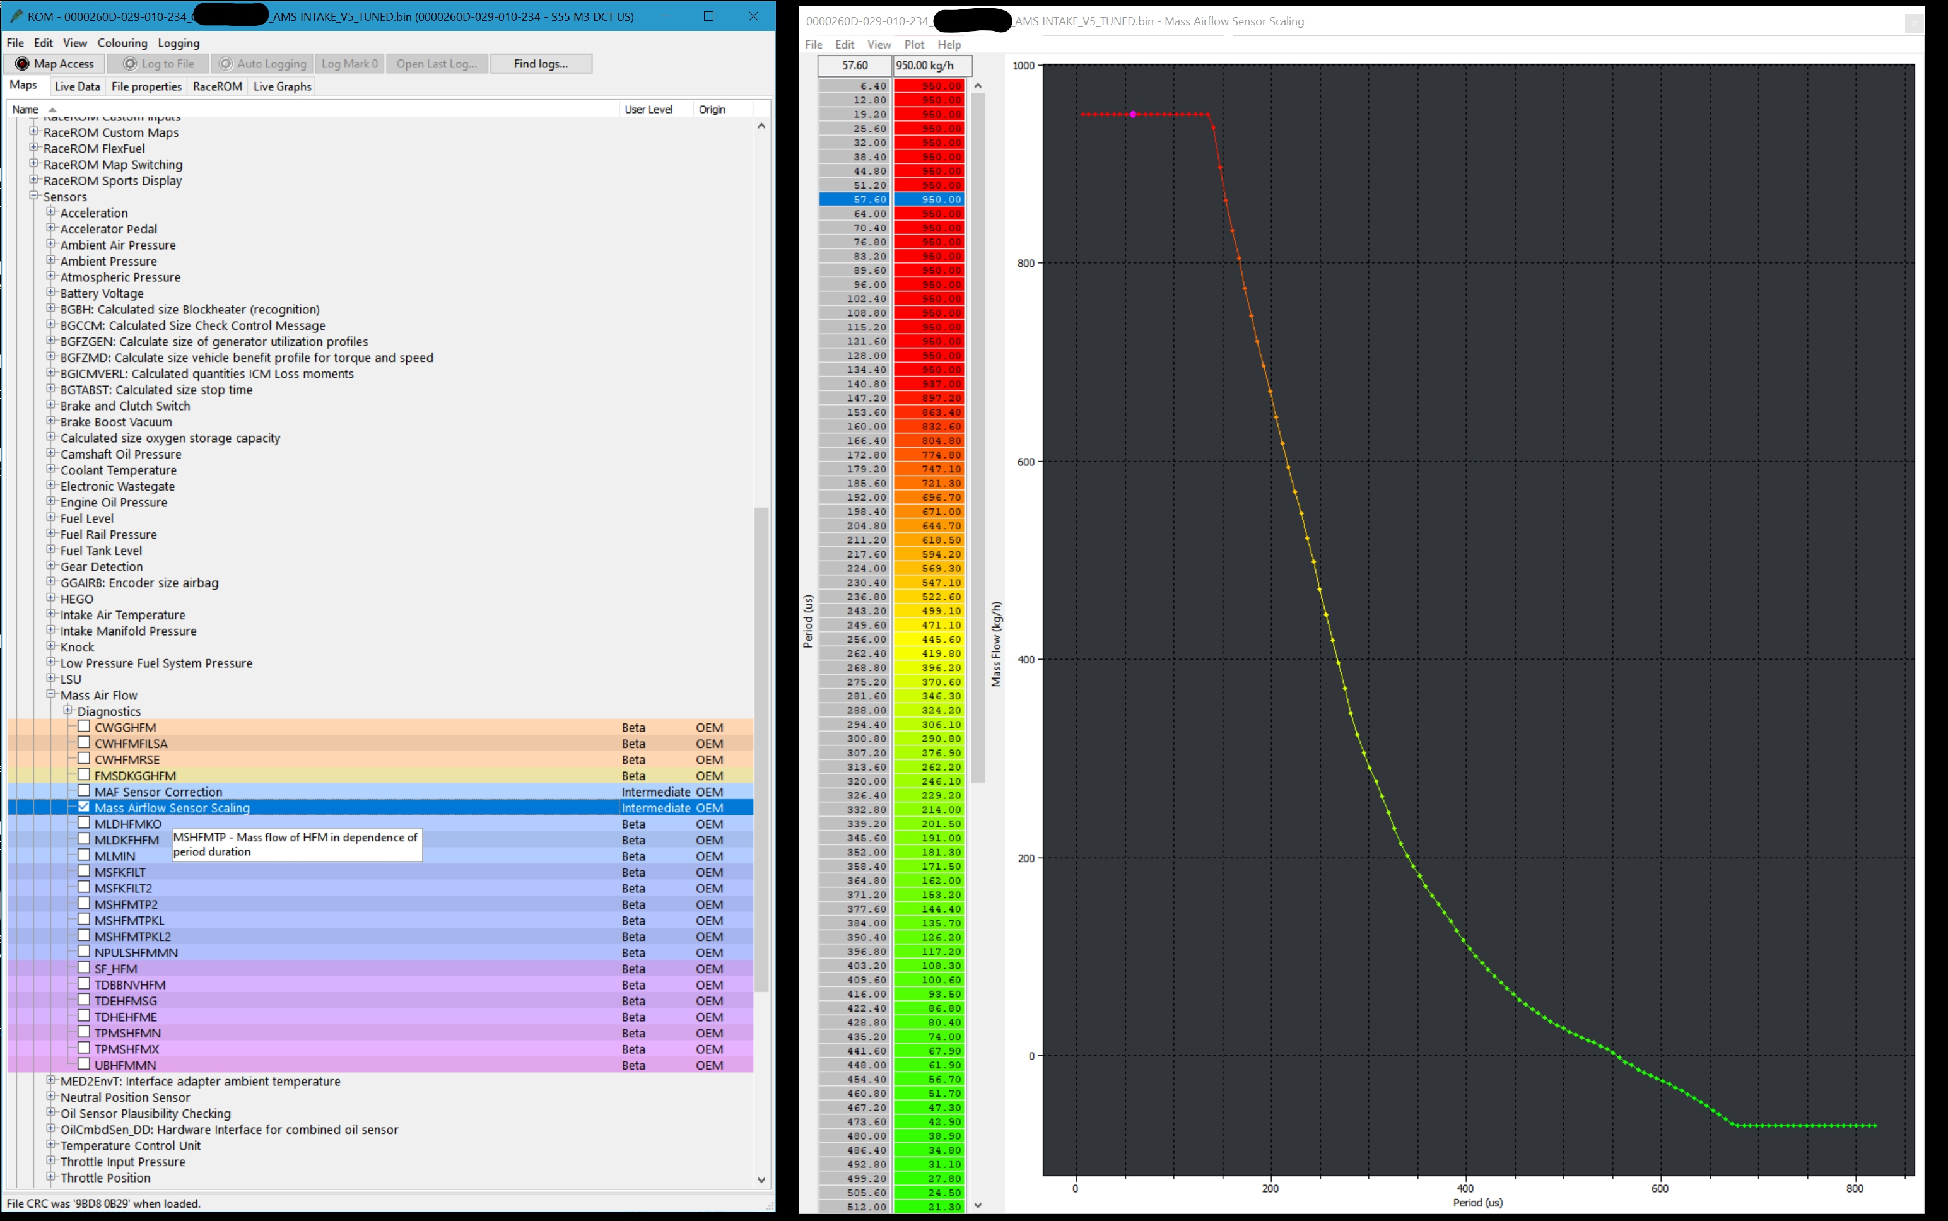
Stock |  | AMS
Period (us) | Mass Airflow (kg/hr) | Period (us) | Mass Airflow (kg/hr)
6.4 | 950.0 | 6.4 | 950.0
12.8 | 950.0 | 12.8 | 950.0
19.2 | 950.0 | 19.2 | 950.0
25.6 | 950.0 | 25.6 | 950.0
32.0 | 950.0 | 32.0 | 950.0
38.4 | 950.0 | 38.4 | 950.0
44.8 | 950.0 | 44.8 | 950.0
51.2 | 950.0 | 51.2 | 950.0
57.6 | 950.0 | 57.6 | 950.0
64.0 | 950.0 | 64.0 | 950.0
70.4 | 950.0 | 70.4 | 950.0
76.8 | 950.0 | 76.8 | 950.0
83.2 | 943.6 | 83.2 | 950.0
89.6 | 903.0 | 89.6 | 950.0
96.0 | 863.7 | 96.0 | 950.0
102.4 | 825.7 | 102.4 | 950.0
108.8 | 789.0 | 108.8 | 950.0
115.2 | 753.7 | 115.2 | 950.0
121.6 | 719.7 | 121.6 | 950.0
128.0 | 687.1 | 128.0 | 950.0
134.4 | 656.0 | 134.4 | 950.0
140.8 | 626.2 | 140.8 | 937.0
147.2 | 597.5 | 147.2 | 897.2
153.6 | 569.8 | 153.6 | 863.4
160.0 | 542.4 | 160.0 | 832.6
166.4 | 515.7 | 166.4 | 804.8
172.8 | 490.8 | 172.8 | 774.8
179.2 | 467.5 | 179.2 | 747.1
185.6 | 445.3 | 185.6 | 721.3
192.0 | 424.5 | 192.0 | 696.7
198.4 | 404.9 | 198.4 | 671.0
204.8 | 386.1 | 204.8 | 644.7
211.2 | 369.5 | 211.2 | 618.5
217.6 | 352.5 | 217.6 | 594.2
224.0 | 336.6 | 224.0 | 569.3
230.4 | 321.6 | 230.4 | 547.1
236.8 | 307.6 | 236.8 | 522.6
243.2 | 293.6 | 243.2 | 499.1
249.6 | 279.4 | 249.6 | 471.1
256.0 | 265.8 | 256.0 | 445.6
262.4 | 252.7 | 262.4 | 419.8
268.8 | 240.4 | 268.8 | 396.2
275.2 | 227.7 | 275.2 | 370.6
281.6 | 215.1 | 281.6 | 346.3
288.0 | 203.4 | 288.0 | 324.2
294.4 | 191.9 | 294.4 | 306.1
300.8 | 181.2 | 300.8 | 290.8
307.2 | 171.9 | 307.2 | 276.9
313.6 | 163.2 | 313.6 | 262.2
320.0 | 154.9 | 320.0 | 246.1
326.4 | 147.1 | 326.4 | 229.2
332.8 | 139.4 | 332.8 | 214.0
339.2 | 132.0 | 339.2 | 201.5
345.6 | 124.7 | 345.6 | 191.0
352.0 | 117.7 | 352.0 | 181.3
358.4 | 110.9 | 358.4 | 171.5
364.8 | 104.5 | 364.8 | 162.0
371.2 | 98.3 | 371.2 | 153.2
377.6 | 92.7 | 377.6 | 144.4
384.0 | 87.4 | 384.0 | 135.7
390.4 | 82.2 | 390.4 | 126.2
396.8 | 77.2 | 396.8 | 117.2
403.2 | 72.5 | 403.2 | 108.3
409.6 | 67.8 | 409.6 | 100.6
416.0 | 63.2 | 416.0 | 93.5
422.4 | 58.8 | 422.4 | 86.8
428.8 | 54.4 | 428.8 | 80.4
435.2 | 50.3 | 435.2 | 74.0
441.6 | 46.4 | 441.6 | 67.9
448.0 | 42.5 | 448.0 | 61.9
454.4 | 38.9 | 454.4 | 56.7
460.8 | 35.3 | 460.8 | 51.7
467.2 | 32.0 | 467.2 | 47.3
473.6 | 29.0 | 473.6 | 42.9
480.0 | 26.0 | 480.0 | 38.9
486.4 | 23.3 | 486.4 | 34.8
492.8 | 20.7 | 492.8 | 31.1
499.2 | 18.4 | 499.2 | 27.8
505.6 | 16.3 | 505.6 | 24.5
512.0 | 14.2 | 512.0 | 21.3
518.4 | 12.1 | 518.4 | 18.4
524.8 | 10.0 | 524.8 | 15.9
531.2 | 7.7 | 531.2 | 13.3
537.6 | 5.3 | 537.6 | 10.0
544.0 | 2.5 | 544.0 | 6.5
550.4 | -3.4 | 550.4 | 2.7
556.8 | -7.1 | 556.8 | -1.3
563.2 | -9.6 | 563.2 | -6.0
569.6 | -12.0 | 569.6 | -9.7
576.0 | -14.4 | 576.0 | -14.1
582.4 | -17.0 | 582.4 | -17.0
588.8 | -19.7 | 588.8 | -19.8
595.2 | -22.5 | 595.2 | -22.7
601.6 | -25.5 | 601.6 | -25.6
608.0 | -28.6 | 608.0 | -28.8
614.4 | -31.9 | 614.4 | -32.0
620.8 | -35.3 | 620.8 | -35.5
627.2 | -38.9 | 627.2 | -39.1
633.6 | -42.7 | 633.6 | -42.8
640.0 | -46.6 | 640.0 | -46.8
646.4 | -50.7 | 646.4 | -50.8
652.8 | -54.9 | 652.8 | -54.9
659.2 | -59.3 | 659.2 | -59.3
665.6 | -64.0 | 665.6 | -64.0
672.0 | -68.7 | 672.0 | -68.7
678.4 | -70.0 | 678.4 | -70.0
684.8 | -70.0 | 684.8 | -70.0
691.2 | -70.0 | 691.2 | -70.0
697.6 | -70.0 | 697.6 | -70.0
704.0 | -70.0 | 704.0 | -70.0
710.4 | -70.0 | 710.4 | -70.0
716.8 | -70.0 | 716.8 | -70.0
723.2 | -70.0 | 723.2 | -70.0
729.6 | -70.0 | 729.6 | -70.0
736.0 | -70.0 | 736.0 | -70.0
742.4 | -70.0 | 742.4 | -70.0
748.8 | -70.0 | 748.8 | -70.0
755.2 | -70.0 | 755.2 | -70.0
761.6 | -70.0 | 761.6 | -70.0
768.0 | -70.0 | 768.0 | -70.0
774.4 | -70.0 | 774.4 | -70.0
780.8 | -70.0 | 780.8 | -70.0
787.2 | -70.0 | 787.2 | -70.0
793.6 | -70.0 | 793.6 | -70.0
800.0 | -70.0 | 800.0 | -70.0
806.4 | -70.0 | 806.4 | -70.0
812.8 | -70.0 | 812.8 | -70.0
819.2 | -70.0 | 819.2 | -70.0

